Cycles from graphs
$$deg,half cycle=\frac{1}{n.eq.cycles(DoD)}∗0.5∗energyCapacity∗costReplacement$$
EXOECTED CYCLE LIFE vs. DOD https://www.greentechrenewables.com/article/how-does-depth-discharge-factor-grid-connected-battery-systems |  |  |  |  | energy_capacity | 10 | MWh
 |  |  |  |  | cost | 250000 | €/MWh
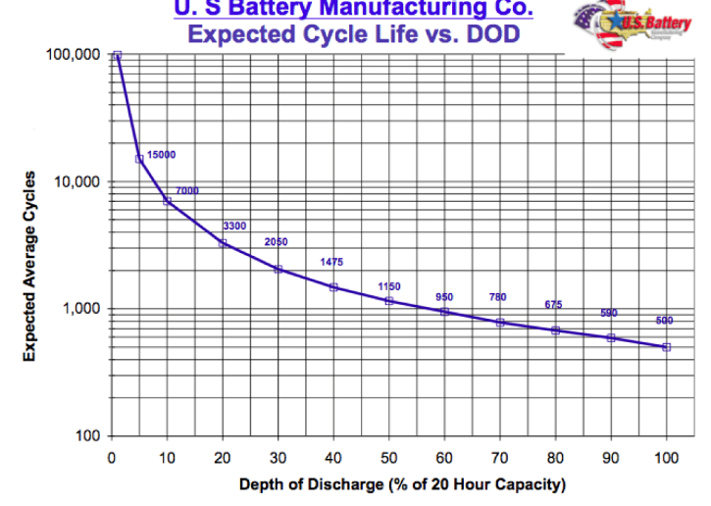
$$D(75→20)=\frac{1}{n.eq.cycles(80)}∗0.5−\frac{1}{n.eq.cycles(25)}∗0.5$$
 |  |  |  | 5 DISCRETIZED STATES
soc | DOD | N.cycles |  | SOC % | DOD | N.cycles | 1/Ncycles | Degradation
99.9 | 0.1 | 100000 |  |  | 0.1 | 100000 | 0.000005 | 0.00005 | 12.5 | 0
95 | 5 | 15000 |  | 95 | 5 | 15000 | 3.3333333333E-05 | 0.00033333333333 | 83.333333333
 |  | Int2 | Int2.2 | Int2.3 | Int2.4 | Int2.5
0.1 | 100000
5 | 15000
10 | 7000
20 | 3300
30 | 2050
40 | 1475
50 | 1150
60 | 950
70 | 780
80 | 675
90 | 590
100 | 500
90 | 10 | 7000 |  | 90 | 10 | 7000 | 7.1428571429E-05 | 0.00071428571429 | 178.57142857
80 | 20 | 3300 |  | 85 | 15 | 5150 | 9.7087378641E-05 | 0.00097087378641 | 242.7184466
70 | 30 | 2050 |  | 80 | 20 | 3300 | 0.00015151515152 | 0.0015151515152 | 378.78787879 |  | soc =75 | soc = 20
60 | 40 | 1475 |  | 75 | 25 | 2675 | 0.00018691588785 | 0.0018691588785 | 467.28971963 |  | dod=25 | dod=80
50 | 50 | 1150 |  | 70 | 30 | 2050 | 0.00024390243902 | 0.0024390243902 | 609.75609756 |  | 2675 | 675
40 | 60 | 950 |  | 65 | 35 | 1762.5 | 0.00028368794326 | 0.0028368794326 | 709.21985816 |  | 0.00018691588785 | 0.00074074074074 | 0.00055382485289
30 | 70 | 780 |  | 60 | 40 | 1475 | 0.00033898305085 | 0.0033898305085 | 847.45762712 |  |  |  | 1384.5621322 | €
20 | 80 | 675 |  | 55 | 45 | 1312.5 | 0.00038095238095 | 0.0038095238095 | 952.38095238 |  |  |  | 1851.85
10 | 90 | 590 |  | 50 | 50 | 1150 | 0.0004347826087 | 0.004347826087 | 1086.9565217
0 | 100 | 500 |  | 45 | 55 | 1050 | 0.00047619047619 | 0.0047619047619 | 1190.4761905 |  | 467.29 | 1851.852
 |  |  |  | 40 | 60 | 950 | 0.00052631578947 | 0.0052631578947 | 1315.7894737
$$deg,half cycle=\frac{1}{n.eq.cycles(DoDx)}∗0.5−\frac{1}{n.eq.cycles(DoDx)}∗0.5$$
 |  |  |  | 35 | 65 | 865 | 0.00057803468208 | 0.0057803468208 | 1445.0867052
 |  |  |  | 30 | 70 | 780 | 0.00064102564103 | 0.0064102564103 | 1602.5641026
 |  |  |  | 25 | 75 | 727.5 | 0.00068728522337 | 0.0068728522337 | 1718.2130584
 |  |  |  | 20 | 80 | 675 | 0.00074074074074 | 0.0074074074074 | 1851.8518519
 |  |  |  | 15 | 85 | 632.5 | 0.00079051383399 | 0.0079051383399 | 1976.284585
degradazione MWh$=\frac{1}{n.eq.cycles}∗0.5∗energyCapacity$
 |  |  |  | 10 | 90 | 590 | 0.00084745762712 | 0.0084745762712 | 2118.6440678
 |  |  |  | 5 | 95 | 545 | 0.00091743119266 | 0.0091743119266 | 2293.5779817
 |  |  |  | 0 | 100 | 500 | 0.001 | 0.01 | 2500

 | 0.00018691588785 |  |  |  |  |  |  | 0.01
 | 0.00068728522337 |  |  |  |  |  |  | 0.0091743119266
 | 0.00050036933552 |  |  |  |  |  |  | 0.0084745762712
 | -0.00050036933552 |  |  |  |  |  |  | 0.0079051383399
 |  |  |  |  |  |  |  | 0.0074074074074
 |  |  |  |  |  |  |  | 0.0068728522337
 |  |  |  |  |  |  |  | 0.0064102564103

 | 0.00040204678363 | 0.00028538095238 | 0.00057076190476
 | 0.99959795322 | 0.0003709952381 | 0.00062783809524 |  |  |  |  | 0.0057803468208
 |  |  |  |  |  |  |  | 0.0057803468208
EXOECTED CYCLE LIFE vs. DOD https://energymag.net/dod-depth-of-discharge/ |  |  |  |  |  |  |  | =

 |  |  |  |  |  |  |  |  | 70->20 |  | 75->100 e 100->75 |  | 75->50 e 50->75 |  | 75->25 e 25->75 |  | 75->0 e 0->75 |  | 50->25 e 25->50 |  | 0->25 e 25->0
soc | DOD | N.cycles | 1/N.cycles | Half cycle | Degradation MWh | Cost |  | SOC_start | 70.0 | 20.0 | 75.0 | 0.0 | 75.0 | 50.0 | 75.0 | 25.0 | 75.0 | 0.0 | 50.0 | 25.0 | 0.0 | 25.0
100 | 0 | 1500000 | 6.6666666667E-07 | 0.0000% | 3.3333333333E-06 | 0.83333333333 |  | DOD_start | 30.0 | 80.0 | 25.0 | 100.0 | 25.0 | 50.0 | 25.0 | 75.0 | 25.0 | 100.0 | 50.0 | 75.0 | 100.0 | 75.0
95 | 5 | 450000 | 2.2222222222E-06 | 0.0001% | 1.1111111111E-05 | 2.7777777778 |  | Eq.cycles | 15000.0 | 2400.0 | 22000.0 | 1500000.0 | 22000.0 | 5000.0 | 22000.0 | 2700.0 | 22000.0 | 1750.0 | 5000.0 | 2700.0 | 1750.0 | 2700.0
90 | 10 | 180000 | 5.5555555556E-06 | 0.0003% | 2.7777777778E-05 | 6.9444444444 |  | Degradation_start | 0.000033 | 0.00021 | 0.0 | 0.0 | 0.0 | 0.0 | 0.0 | 0.0 | 0.0 | 0.0 | 0.0 | 0.0 | 0.0 | 0.0
85 | 15 | 75000 | 1.3333333333E-05 | 0.0007% | 6.6666666667E-05 | 16.666666667 |  | Cost_start | 83.3 | 520.8 | 56.8 | 0.8 | 56.8 | 250.0 | 56.8 | 463.0 | 56.8 | 714.3 | 250.0 | 463.0 | 714.3 | 463.0
80 | 20 | 36000 | 2.7777777778E-05 | 0.0014% | 0.00013888888889 | 34.722222222 |  | SOC_final | 20.0 | 70.0 | 100.0 | 75.0 | 50.0 | 75.0 | 25.0 | 75.0 | 0.0 | 75.0 | 25.0 | 50.0 | 25.0 | 0.0
75 | 25 | 22000 | 4.5454545455E-05 | 0.0023% | 0.00022727272727 | 56.818181818 |  | DOD_final | 80.0 | 30.0 | 0.0 | 25.0 | 50.0 | 25.0 | 75.0 | 25.0 | 100.0 | 25.0 | 75.0 | 50.0 | 75.0 | 100.0
70 | 30 | 15000 | 6.6666666667E-05 | 0.0033% | 0.00033333333333 | 83.333333333 |  | Eq.cycles | 2400.0 | 15000.0 | 1500000.0 | 22000.0 | 5000.0 | 22000.0 | 2700.0 | 22000.0 | 1750.0 | 22000.0 | 2700.0 | 5000.0 | 2700.0 | 1750.0
65 | 35 | 10500 | 9.5238095238E-05 | 0.0048% | 0.00047619047619 | 119.04761905 |  | Degradation_start | 0.000208 | 0.000033 | 0.0 | 0.0 | 0.0 | 0.0 | 0.0 | 0.0 | 0.0 | 0.0 | 0.0 | 0.0 | 0.0 | 0.0
60 | 40 | 8000 | 0.000125 | 0.0063% | 0.000625 | 156.25 |  | Cost_start | 520.8 | 83.3 | 0.8 | 56.8 | 250.0 | 56.8 | 463.0 | 56.8 | 714.3 | 56.8 | 463.0 | 250.0 | 463.0 | 714.3
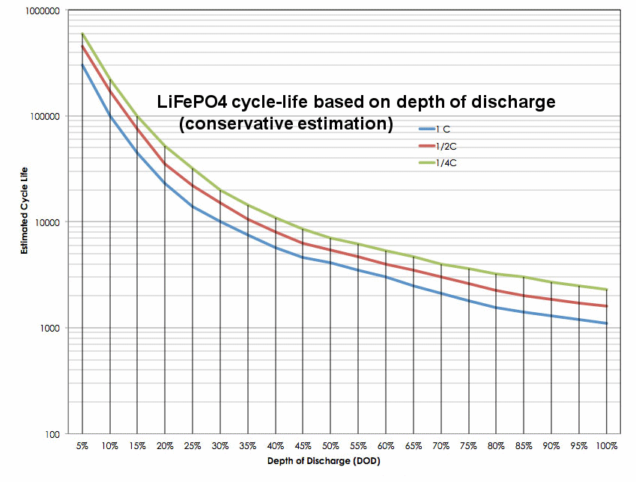
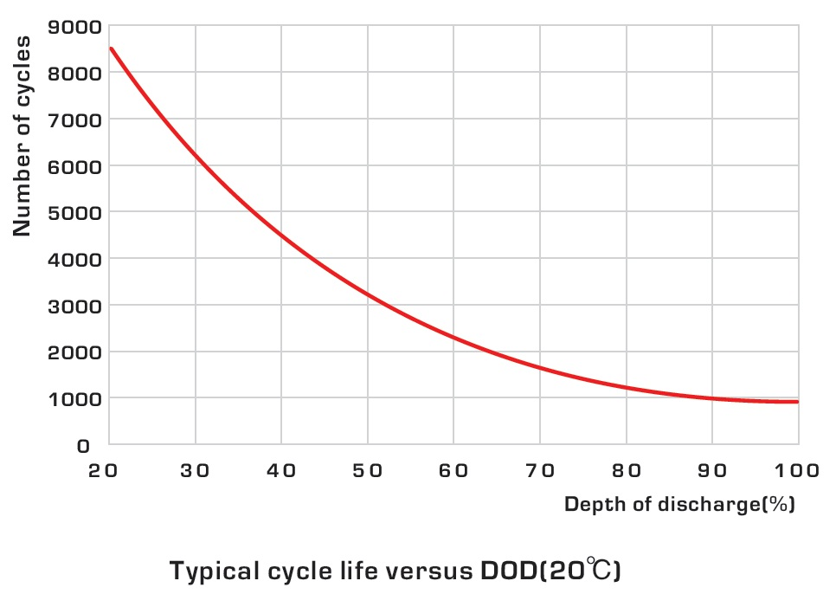
55 | 45 | 6200 | 0.00016129032258 | 0.0081% | 0.0008064516129 | 201.61290323 |  | FinalCost € | -437.50 | 437.50 | 55.98 | -55.98 | -193.18 | 193.18 | -406.14 | 406.14 | -657.47 | 657.47 | -212.96 | 212.96 | 251.32 | -251.32
50 | 50 | 5000 | 0.0002 | 0.0100% | 0.001 | 250
45 | 55 | 4400 | 0.00022727272727 | 0.0114% | 0.0011363636364 | 284.09090909
40 | 60 | 3800 | 0.00026315789474 | 0.0132% | 0.0013157894737 | 328.94736842
35 | 65 | 3400 | 0.00029411764706 | 0.0147% | 0.0014705882353 | 367.64705882
30 | 70 | 3000 | 0.00033333333333 | 0.0167% | 0.0016666666667 | 416.66666667
25 | 75 | 2700 | 0.00037037037037 | 0.0185% | 0.0018518518519 | 462.96296296 |  | 0.000175000
20 | 80 | 2400 | 0.00041666666667 | 0.0208% | 0.0020833333333 | 520.83333333
15 | 85 | 2100 | 0.00047619047619 | 0.0238% | 0.002380952381 | 595.23809524
10 | 90 | 1900 | 0.00052631578947 | 0.0263% | 0.0026315789474 | 657.89473684
5 | 95 | 1800 | 0.00055555555556 | 0.0278% | 0.0027777777778 | 694.44444444
0 | 100 | 1750 | 0.00057142857143 | 0.0286% | 0.0028571428571 | 714.28571429

Degradation
soc | DoD | 1/N.cycles
0 | 100 | 0.00057143 | 142.85714286
5 | 95 | 0.00055556 | 138.88888889
10 | 90 | 0.00052632 | 131.57894737
15 | 85 | 0.00047619 | 119.04761905
20 | 80 | 0.00041667 | 104.16666667
25 | 75 | 0.00037037 | 92.592592593
30 | 70 | 0.00033333 | 83.333333333
35 | 65 | 0.00029412 | 73.529411765
40 | 60 | 0.00026316 | 65.789473684
45 | 55 | 0.00022727 | 56.818181818
50 | 50 | 0.00020000 | 50
55 | 45 | 0.00016129 | 40.322580645
60 | 40 | 0.00012500 | 31.25
65 | 35 | 0.00009524 | 23.80952381
70 | 30 | 0.00006667 | 16.666666667
75 | 25 | 0.00004545 | 11.363636364
80 | 20 | 0.00002778 | 6.9444444444
Cost
85 | 15 | 0.00001333 | 3.3333333333
90 | 10 | 0.00000556 | 1.3888888889
95 | 5 | 0.00000222 | 0.55555555556
100 | 0 | 0.00000067 | 0.16666666667

Cycles from paper
 | CALCOLO NUMERO CICLI IN FUNZIONE DI SOC |  |  |  |  |  |  |  | a | -0.008185
 |  | BATTERY 1 | BATTERY 2 | BATTERY 3
 | β0 | 4901 | 3832 | 3142 |  |  |  |  | b | 1.066000
 | β1 | 1.98 | 0.68 | 1.6
 | β2 | 0.016 | 1.64 | 0.000087

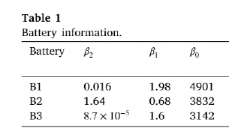
 |  |  | BATTERY 1 |  | BATTERY 2 |  | BATTERY 3 |  | Ncycles | Capacity (10MWh) | Capacity (12MWh) | Capacity (14MWh)
 | SOC | DOD | Ncycles | Degradation % | Ncycles | Degradation % | Ncycles | Degradation % | 100 | 9.8415 | 11.8098 | 13.7781
0 | 0 | 1 | 4901.00 | 0.00020403999184 | 3832.00 | 0.00026096033403 | 3142 | 0.00031826861871
1 | 0.01 | 0.99 | 5000.31 | 0.00019998779668 | 3922.08 | 0.00025496701669 | 3192.9362475 | 0.00031319134567 | 200 | 9.5024661992 | 11.402959439 | 13.303452679
2 | 0.02 | 0.98 | 5102.65 | 0.00019597648011 | 4014.55 | 0.00024909406044 | 3245.2280062 | 0.00030814475842 | 300 | 9.242316414 | 11.090779697 | 12.93924298
3 | 0.03 | 0.97 | 5208.17 | 0.00019200603085 | 4109.49 | 0.00024333915206 | 3298.9257389 | 0.00030312898172 | 400 | 9.023 | 10.8276 | 12.6322
4 | 0.04 | 0.96 | 5316.99 | 0.00018807643774 | 4206.98 | 0.00023770002097 | 3354.0823339 | 0.00029814414211 | 500 | 8.8297783604 | 10.595734032 | 12.361689705
5 | 0.05 | 0.95 | 5429.24 | 0.00018418768965 | 4307.11 | 0.00023217443838 | 3410.7532484 | 0.00029319036799 | 600 | 8.6550926455 | 10.386111175 | 12.117129704
6 | 0.06 | 0.94 | 5545.09 | 0.00018033977559 | 4409.94 | 0.00022676021653 | 3468.9966621 | 0.00028826778962 | 700 | 8.4944525519 | 10.193343062 | 11.892233573
7 | 0.07 | 0.93 | 5664.67 | 0.00017653268463 | 4515.59 | 0.00022145520798 | 3528.8736417 | 0.00028337653924 | 800 | 8.3449323984 | 10.013918878 | 11.682905358
8 | 0.08 | 0.92 | 5788.16 | 0.00017276640593 | 4624.12 | 0.00021625730483 | 3590.4483172 | 0.00027851675102 | 900 | 8.2045 | 9.8454 | 11.4863
9 | 0.09 | 0.91 | 5915.73 | 0.00016904092877 | 4735.65 | 0.00021116443797 | 3653.7880706 | 0.00027368856121 | 1000 | 8.0716757352 | 9.6860108822 | 11.300346029
10 | 0.1 | 0.9 | 6047.55 | 0.00016535624251 | 4850.26 | 0.00020617457642 | 3718.9637397 | 0.00026889210812 | 1200 | 7.824632828 | 9.3895593936 | 10.954485959
11 | 0.11 | 0.89 | 6183.82 | 0.00016171233661 | 4968.06 | 0.00020128572656 | 3786.0498357 | 0.00026412753223 | 1400 | 7.5974534289 | 9.1169441147 | 10.6364348
12 | 0.12 | 0.88 | 6324.74 | 0.00015810920062 | 5089.16 | 0.0001964959315 | 3855.1247777 | 0.00025939497621 | 1600 | 7.386 | 8.8632 | 10.3404
13 | 0.13 | 0.87 | 6470.53 | 0.00015454682421 | 5213.68 | 0.00019180327034 | 3926.2711456 | 0.00025469458499 | 1800 | 7.1873985976 | 8.6248783171 | 10.062358037
14 | 0.14 | 0.86 | 6621.41 | 0.00015102519714 | 5341.71 | 0.00018720585754 | 3999.5759516 | 0.00025002650583 | 2000 | 6.9995567208 | 8.399468065 | 9.7993794092
15 | 0.15 | 0.85 | 6777.63 | 0.00014754430929 | 5473.40 | 0.00018270184225 | 4075.1309332 | 0.00024539088839
16 | 0.16 | 0.84 | 6939.43 | 0.00014410415064 | 5608.86 | 0.00017828940764 | 4153.0328695 | 0.00024078788476
17 | 0.17 | 0.83 | 7107.08 | 0.00014070471129 | 5748.22 | 0.0001739667703 | 4233.3839226 | 0.00023621764959
18 | 0.18 | 0.82 | 7280.88 | 0.00013734598145 | 5891.63 | 0.00016973217958 | 4316.2920062 | 0.0002316803401
19 | 0.19 | 0.81 | 7461.13 | 0.00013402795144 | 6039.23 | 0.00016558391698 | 4401.8711854 | 0.00022717611622
20 | 0.2 | 0.8 | 7648.15 | 0.00013075061172 | 6191.17 | 0.00016152029558 | 4490.2421081 | 0.0002227051406
21 | 0.21 | 0.79 | 7842.28 | 0.00012751395284 | 6347.61 | 0.00015753965937 | 4581.532474 | 0.00021826757874
22 | 0.22 | 0.78 | 8043.89 | 0.00012431796552 | 6508.71 | 0.00015364038273 | 4675.8775423 | 0.00021386359907
23 | 0.23 | 0.77 | 8253.37 | 0.00012116264058 | 6674.64 | 0.00014982086982 | 4773.4206841 | 0.00020949337303
24 | 0.24 | 0.76 | 8471.13 | 0.00011804796897 | 6845.58 | 0.00014607955401 | 4874.3139822 | 0.00020515707516
25 | 0.25 | 0.75 | 8697.62 | 0.00011497394179 | 7021.74 | 0.00014241489733 | 4978.7188841 | 0.00020085488321
26 | 0.26 | 0.74 | 8933.31 | 0.00011194055028 | 7203.29 | 0.00013882538991 | 5086.8069136 | 0.00019658697823
27 | 0.27 | 0.73 | 9178.71 | 0.00010894778582 | 7390.46 | 0.00013530954943 | 5198.7604469 | 0.0001923535447
28 | 0.28 | 0.72 | 9434.35 | 0.00010599563992 | 7583.46 | 0.0001318659206 | 5314.7735603 | 0.0001881547706
29 | 0.29 | 0.71 | 9700.82 | 0.00010308410427 | 7782.52 | 0.00012849307461 | 5435.0529566 | 0.00018399084756
30 | 0.3 | 0.7 | 9978.73 | 0.00010021317069 | 7987.88 | 0.00012518960862 | 5559.8189798 | 0.00017986197098
31 | 0.31 | 0.69 | 10268.75 | 9.7382831184E-05 | 8199.80 | 0.00012195414526 | 5689.3067267 | 0.00017576834016
32 | 0.32 | 0.68 | 10571.60 | 9.4593077897E-05 | 8418.55 | 0.00011878533207 | 5823.7672673 | 0.00017171015841
33 | 0.33 | 0.67 | 10888.04 | 9.1843903156E-05 | 8644.40 | 0.00011568184108 | 5963.468986 | 0.00016768763321
34 | 0.34 | 0.66 | 11218.90 | 8.9135299459E-05 | 8877.65 | 0.00011264236823 | 6108.6990567 | 0.00016370097638
35 | 0.35 | 0.65 | 11565.07 | 8.6467259482E-05 | 9118.63 | 0.00010966563294 | 6259.7650695 | 0.00015975040419
36 | 0.36 | 0.64 | 11927.51 | 8.3839776087E-05 | 9367.65 | 0.00010675037757 | 6416.9968253 | 0.00015583613756
37 | 0.37 | 0.63 | 12307.26 | 8.1252842325E-05 | 9625.07 | 0.00010389536702 | 6580.7483192 | 0.00015195840222
38 | 0.38 | 0.62 | 12705.44 | 7.8706451442E-05 | 9891.26 | 0.00010109938817 | 6751.3999362 | 0.0001481174289
39 | 0.39 | 0.61 | 13123.26 | 7.620059689E-05 | 10166.61 | 9.8361249445E-05 | 6929.3608862 | 0.00014431345349
40 | 0.4 | 0.6 | 13562.03 | 7.3735272326E-05 | 10451.53 | 9.5679780368E-05 | 7115.0719068 | 0.00014054671732
41 | 0.41 | 0.59 | 14023.19 | 7.1310471624E-05 | 10746.47 | 9.3053831056E-05 | 7309.0082714 | 0.00013681746728
42 | 0.42 | 0.58 | 14508.27 | 6.8926188882E-05 | 11051.89 | 9.0482271779E-05 | 7511.6831403 | 0.0001331259561
43 | 0.43 | 0.57 | 15018.98 | 6.6582418427E-05 | 11368.29 | 8.7963992493E-05 | 7723.6513026 | 0.00012947244261
44 | 0.44 | 0.56 | 15557.14 | 6.4279154825E-05 | 11696.19 | 8.5497902382E-05 | 7945.5133609 | 0.00012585719192
45 | 0.45 | 0.55 | 16124.77 | 6.2016392891E-05 | 12036.17 | 8.3082929399E-05 | 8177.9204211 | 0.00012228047578
46 | 0.46 | 0.54 | 16724.05 | 5.9794127691E-05 | 12388.81 | 8.0718019803E-05 | 8421.5793583 | 0.00011874257279
47 | 0.47 | 0.53 | 17357.39 | 5.7612354562E-05 | 12754.75 | 7.8402137704E-05 | 8677.2587426 | 0.00011524376876
48 | 0.48 | 0.52 | 18027.42 | 5.5471069113E-05 | 13134.69 | 7.6134264596E-05 | 8945.7955207 | 0.00011178435698
49 | 0.49 | 0.51 | 18737.02 | 5.3370267237E-05 | 13529.35 | 7.3913398893E-05 | 9228.1025674 | 0.00010836463863
50 | 0.5 | 0.5 | 19489.40 | 5.1309945129E-05 | 13939.51 | 7.1738555457E-05 | 9525.1772401 | 0.00010498492309
51 | 0.51 | 0.49 | 20288.05 | 4.9290099287E-05 | 14366.01 | 6.9608765125E-05 | 9838.111092 | 0.00010164552836
52 | 0.52 | 0.48 | 21136.86 | 4.7310726534E-05 | 14809.75 | 6.7523074224E-05 | 10168.100929 | 9.8346781469E-05
53 | 0.53 | 0.47 | 22040.11 | 4.5371824024E-05 | 15271.71 | 6.548054408E-05 | 10516.461429 | 9.5089018938E-05
54 | 0.54 | 0.46 | 23002.58 | 4.3473389264E-05 | 15752.93 | 6.3480250515E-05 | 10884.639586 | 9.1872587249E-05
55 | 0.55 | 0.45 | 24029.55 | 4.161542012E-05 | 16254.54 | 6.1521283336E-05 | 11274.231279 | 8.8697843364E-05
56 | 0.56 | 0.44 | 25126.94 | 3.979791484E-05 | 16777.75 | 5.9602745799E-05 | 11687.000353 | 8.5565155284E-05
57 | 0.57 | 0.43 | 26301.34 | 3.8020872068E-05 | 17323.89 | 5.7723754067E-05 | 12124.900642 | 8.2474902644E-05
58 | 0.58 | 0.42 | 27560.14 | 3.6284290863E-05 | 17894.39 | 5.5883436639E-05 | 12590.101477 | 7.9427477357E-05
59 | 0.59 | 0.41 | 28911.62 | 3.4588170719E-05 | 18490.80 | 5.4080933755E-05 | 13085.017334 | 7.6423284318E-05
60 | 0.6 | 0.4 | 30365.13 | 3.2932511586E-05 | 19114.83 | 5.2315396778E-05 | 13612.342403 | 7.3462742148E-05
61 | 0.61 | 0.39 | 31931.22 | 3.1317313893E-05 | 19768.32 | 5.0585987536E-05 | 14175.09106 | 7.0546284023E-05
62 | 0.62 | 0.38 | 33621.83 | 2.9742578571E-05 | 20453.30 | 4.8891877628E-05 | 14776.645414 | 6.7674358554E-05
63 | 0.63 | 0.37 | 35450.55 | 2.8208307079E-05 | 21171.98 | 4.7232247686E-05 | 15420.811407 | 6.4847430761E-05
64 | 0.64 | 0.36 | 37432.85 | 2.6714501437E-05 | 21926.80 | 4.5606286577E-05 | 16111.885281 | 6.2065983125E-05
65 | 0.65 | 0.35 | 39586.46 | 2.5261164251E-05 | 22720.46 | 4.401319055E-05 | 16854.732688 | 5.9330516748E-05
66 | 0.66 | 0.34 | 41931.71 | 2.384829875E-05 | 23555.93 | 4.2452162305E-05 | 17654.883277 | 5.6641552612E-05
67 | 0.67 | 0.33 | 44492.08 | 2.2475908821E-05 | 24436.49 | 4.0922409977E-05 | 18518.644383 | 5.3999632982E-05
68 | 0.68 | 0.32 | 47294.74 | 2.1143999049E-05 | 25365.81 | 3.9423146022E-05 | 19453.238361 | 5.140532293E-05
69 | 0.69 | 0.31 | 50371.30 | 1.9852574763E-05 | 26347.97 | 3.7953585974E-05 | 20466.969448 | 4.8859212037E-05
70 | 0.7 | 0.3 | 53758.69 | 1.8601642076E-05 | 27387.55 | 3.651294707E-05 | 21569.427677 | 4.6361916273E-05
71 | 0.71 | 0.29 | 57500.32 | 1.7391207948E-05 | 28489.67 | 3.5100446697E-05 | 22771.73968 | 4.3914080086E-05
72 | 0.72 | 0.28 | 61647.42 | 1.6221280234E-05 | 29660.12 | 3.3715300643E-05 | 24086.87921 | 4.1516378742E-05
73 | 0.73 | 0.27 | 66260.85 | 1.5091867755E-05 | 30905.48 | 3.2356721098E-05 | 25530.054393 | 3.9169520934E-05
74 | 0.74 | 0.26 | 71413.37 | 1.4002980364E-05 | 32233.20 | 3.1023914366E-05 | 27119.194372 | 3.6874251731E-05
75 | 0.75 | 0.25 | 77192.48 | 1.2954629026E-05 | 33651.82 | 2.9716078213E-05 | 28875.56592 | 3.4631355893E-05
76 | 0.76 | 0.24 | 83704.24 | 1.194682591E-05 | 35171.14 | 2.8432398779E-05 | 30824.561666 | 3.2441661648E-05
77 | 0.77 | 0.23 | 91078.13 | 1.0979584484E-05 | 36802.53 | 2.7172046951E-05 | 32996.717339 | 3.0306044984E-05
78 | 0.78 | 0.22 | 99473.59 | 1.0052919627E-05 | 38559.16 | 2.5934174058E-05 | 35429.038201 | 2.8225434581E-05
79 | 0.79 | 0.21 | 109088.75 | 9.1668477604E-06 | 40456.50 | 2.4717906736E-05 | 38166.748066 | 2.6200817483E-05
80 | 0.8 | 0.2 | 120172.27 | 8.3213869897E-06 | 42512.78 | 2.3522340718E-05 | 41265.623795 | 2.4233245691E-05
81 | 0.81 | 0.19 | 133039.63 | 7.5165572719E-06 | 44749.67 | 2.2346533274E-05 | 44795.152962 | 2.2323843851E-05
82 | 0.82 | 0.18 | 148095.92 | 6.7523806084E-06 | 47193.20 | 2.1189493893E-05 | 48842.867751 | 2.0473818308E-05
83 | 0.83 | 0.17 | 165868.25 | 6.0288812692E-06 | 49874.88 | 2.0050172684E-05 | 53520.389686 | 1.8684467842E-05
84 | 0.84 | 0.16 | 187052.73 | 5.3460860559E-06 | 52833.33 | 1.8927445726E-05 | 58972.012198 | 1.695719652E-05
85 | 0.85 | 0.15 | 212583.92 | 4.7040246132E-06 | 56116.42 | 1.7820096355E-05 | 65387.131016 | 1.5293529238E-05
86 | 0.86 | 0.14 | 243740.16 | 4.1027298016E-06 | 59784.33 | 1.672679085E-05 | 73018.653071 | 1.3695130736E-05
87 | 0.87 | 0.13 | 282307.39 | 3.542238148E-06 | 63913.91 | 1.5646046347E-05 | 82210.95416 | 1.2163829142E-05
88 | 0.88 | 0.12 | 330842.05 | 3.0225903979E-06 | 68605.04 | 1.4576187649E-05 | 93443.57309 | 1.070164557E-05
89 | 0.89 | 0.11 | 393107.69 | 2.5438322019E-06 | 73990.29 | 1.3515287848E-05 | 107401.7881 | 9.3108319486E-06
90 | 0.9 | 0.1 | 474830.43 | 2.1060149847E-06 | 80249.84 | 1.2461084594E-05 | 125095.06755 | 7.9939203008E-06
91 | 0.91 | 0.09 | 585070.04 | 1.7091970655E-06 | 87635.82 | 1.1410858533E-05 | 148065.04696 | 6.7537884231E-06
92 | 0.92 | 0.08 | 738855.22 | 1.35344514E-06 | 96513.45 | 1.0361250568E-05 | 178770.95594 | 5.5937498054E-06
93 | 0.93 | 0.07 | 962615.58 | 1.0388362954E-06 | 107434.75 | 9.3079753182E-06 | 221352.51228 | 4.5176808237E-06
94 | 0.94 | 0.06 | 1306402.54 | 7.6546085161E-07 | 121280.51 | 8.245347744E-06 | 283269.4222 | 3.5302080692E-06
95 | 0.95 | 0.05 | 1874672.33 | 5.3342655259E-07 | 139558.63 | 7.1654471929E-06 | 379218.98214 | 2.6369987978E-06
96 | 0.96 | 0.04 | 2916598.73 | 3.4286512861E-07 | 165111.73 | 6.0565047391E-06 | 541934.08498 | 1.8452428583E-06
97 | 0.97 | 0.03 | 5156141.99 | 1.9394345652E-07 | 204107.38 | 4.8993818725E-06 | 858714.55326 | 1.1645313291E-06
98 | 0.98 | 0.02 | 11509462.67 | 8.6885029203E-08 | 273352.59 | 3.6582788425E-06 | 1642839.7997 | 6.0870207807E-07
99 | 0.99 | 0.01 | 45411299.20 | 2.2020951119E-08 | 445190.64 | 2.2462287355E-06 | 4980163.3337 | 2.0079662714E-07
100 | 1 | 0 | #DIV/0! | #DIV/0! | #DIV/0! | #DIV/0! | #DIV/0! | #DIV/0!

Calculated Ncycles
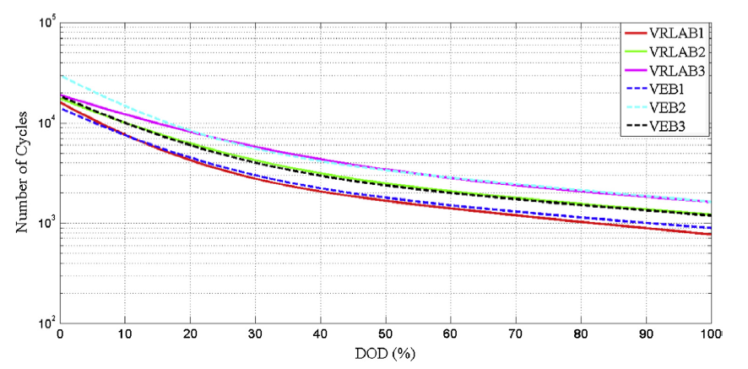
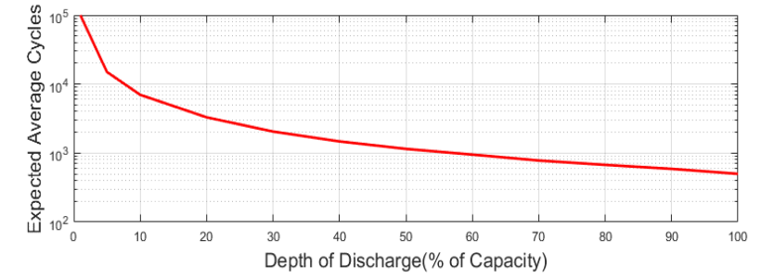
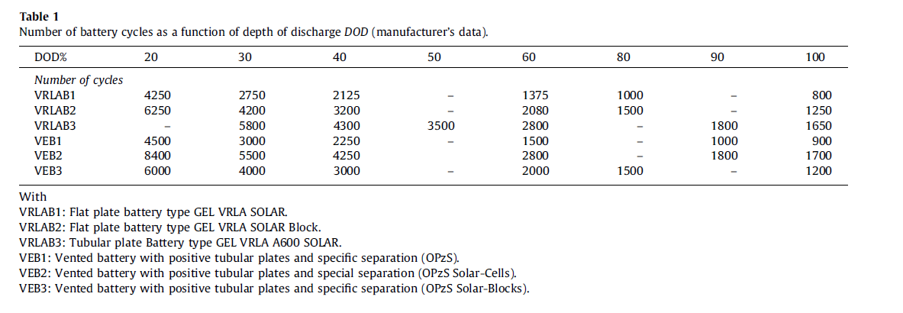
VRLAB Flat plate battery type Gel VRLA SOLAR
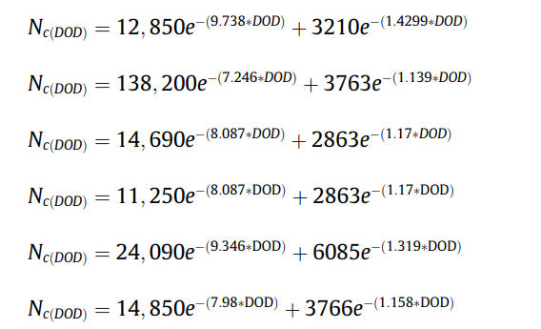
SOC % | DOD % | N.CYCLES | 1/N.cycles | Half Cycle
100 | 0 | #NAME?
95 | 5 | 2.52
90 | 10 | 0.00 |  |  | 0.0019793757062
85 | 15 | 0.00
80 | 20 | 0.00 | 4250 |  |  | 20 | 4250
75 | 25 | 0.00 |  |  |  | 30 | 2750
70 | 30 | 0.00 | 2750 |  |  | 40 | 2125
65 | 35 | 0.00 |  |  |  | 60 | 1375
60 | 40 | 0.00 | 2125 |  |  | 80 | 1000
55 | 45 | 0.00 |  |  |  | 100 | 800
50 | 50 | 0.00
45 | 55 | 0.00
40 | 60 | 0.00 | 1375
35 | 65 | 0.00
30 | 70 | 0.00
25 | 75 | 0.00
20 | 80 | 0.00 | 1000
15 | 85 | 0.00
10 | 90 | 0.00
5 | 95 | 0.00
0 | 100 | 0.00 | 800

